Sheet1
https://en.wikipedia.org/wiki/List_of_counties_in_Arizona

County | FIPS code[7] | County seat[8] | Est.[8] | Formed from[2] | Etymology[3] | Population[8][9] | Area[8][9] | Map
Apache County | 1 | St. Johns | 1879 | Yavapai County | The Apache (Ndee) people. Apache is an exonym from Zuni ʔapaču "Navajos" or Yavapai ʔpačə "enemy". | 71,887 | 11,218 sq mi | 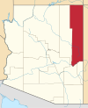
 |  |  |  |  |  |  | (29,054 km2)
Cochise County | 3 | Bisbee | 1881 | Pima County | Cochise, a Chiricahua Apache chief and leader of an 1861 uprising. Cochise is an anglicisation of K'uu-ch'ish "oak". | 125,922 | 6,219 sq mi | 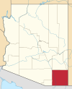

 |  |  |  |  |  |  | (16,107 km2)
Coconino County | 5 | Flagstaff | 1891 | Yavapai County | Coconino is a former designation for the Havasupai, Hualapai, and/or Yavapai, derived from the Hopi exonym Kohonino. | 143,476 | 18,661 sq mi | 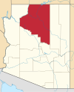

 |  |  |  |  |  |  | (48,332 km2)
Gila County | 7 | Globe | 1881 | Maricopa and Pinal Counties | The Gila River, a tributary of the Colorado. Possibly from Apache dzil "mountain," via Spanish Xila. | 54,018 | 4,796 sq mi | 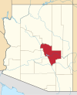

 |  |  |  |  |  |  | (12,422 km2)
Graham County | 9 | Safford | 1881 | Apache and Pima Counties | Mount Graham, in the Pinaleños. Mt. Graham itself is named for topographical engineer James Duncan Graham.[10] | 38,837 | 4,641 sq mi | 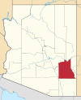

 |  |  |  |  |  |  | (12,020 km2)
Greenlee County | 11 | Clifton | 1909 | Graham County | Mason Greenlee, early prospector. Named by an amendment initially intended to delay the bill creating "Lincoln County".[11] | 9,498 | 1,848 sq mi | 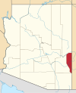

 |  |  |  |  |  |  | (4,786 km2)
La Paz County | 12 | Parker | 1983 | Yuma County | La Paz, Arizona, a historic boomtown on the Colorado River. A common placename, La Paz means "The Peace" in Spanish. | 21,108 | 4,513 sq mi | 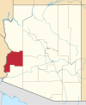

 |  |  |  |  |  |  | (11,689 km2)
Maricopa County | 13 | Phoenix | 1871 | Pima and Yavapai Counties | The Maricopa (Piipaash) people. First attested in Spanish as Cocomaricopa, no origin or meaning is definitively known. | 4,485,414 | 9,224 sq mi | 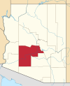

 |  |  |  |  |  |  | (23,890 km2)
Mohave County | 15 | Kingman | 1864 | — | The Mohave (Aha Makhav) people. The Mohave endonym means "along the water," referring to the Colorado.[12] | 212,181 | 13,470 sq mi | 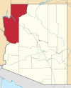

 |  |  |  |  |  |  | (34,887 km2)
Navajo County | 17 | Holbrook | 1895 | Apache County | The Navajo (Diné) people. Navajo is an exonym from Tewa Navahu "big field," referring to the San Juan River Valley | 110,924 | 9,959 sq mi | 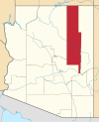

 |  |  |  |  |  |  | (25,794 km2)
Pima County | 19 | Tucson | 1864 | — | The Pima (Akimel O'odham) people. Pima is a Spanish exonym from the O'odham phrase pi mac "(I) don't know," presumably heard during initial encounters. | 1,047,279 | 9,189 sq mi | 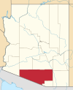

 |  |  |  |  |  |  | (23,799 km2)
Pinal County | 21 | Florence | 1875 | Maricopa and Pima counties | Pinal Peak, possibly from Spanish pinal "place of pines". Pinal Peak is now within the borders of Gila County. | 462,789 | 5,374 sq mi | 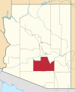

 |  |  |  |  |  |  | (13,919 km2)
Santa Cruz County | 23 | Nogales | 1899 | Cochise and Pima counties | Santa Cruz River, a tributary of the Gila. A common placename, Santa Cruz means "Holy Cross" in Spanish. | 46,498 | 1,238 sq mi | 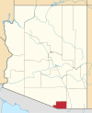

 |  |  |  |  |  |  | (3,206 km2)
Yavapai County | 25 | Prescott | 1864 | — | The Yavapai people. The Yavapé are one of four major Yavapai bands. | 235,099 | 8,128 sq mi | 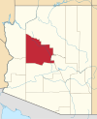

 |  |  |  |  |  |  | (21,051 km2)
Yuma County | 27 | Yuma | 1864 | — | Yuma is a former name of the Quechan people, derived from the O'odham exonym Yumĭ. | 213,787 | 5,519 sq mi | 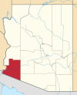

 |  |  |  |  |  |  | (14,294 km2)

